Prioritizing
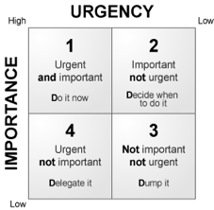
Box 1: These items are urgent and important. They are time sensitive items that need to be resolved immediately
Box 2: These are important, but not urgent, matters. These are items that need to be resolved and are important in the grand schedume of things (long-term professional goals), but are not as time-sensitive and can be worked towareds one piece at a time.
Box 3: These items are not important and not urgent. They are things that come up and can be distractions. They should not take priority; you can complete them when you have time.
Box 4: These items are urgent, but not important. They are items that pop up and demand your attention for a while, but, in the grand scheme of things, they do not matter all that much. If possible, you can try to delegate the tasks or resolve them later.
Instructions: Assign each statement a Box #1-4. Mark an asterisk by numbers you're unsure of or where you think "It depends."
 | ● Writing the newest draft of your final paper
 | ● Responding to your group member's email asking you to explain a section of your presentation
 | ● Helping your friend with their homework
 | ● Organizing next week’s undergraduate student organization’s meeting and sending reminder emails
 | ● Changing the oil in your car
 | ● Attending your favorite workout class
 | ● Creating online materials for your sorority/extra curricular group
 | ● Calling your family (parents, grandparents, siblings, etc.)
 | ● Booking a doctors appointment
 | ● Sleeping
 | ● Eating
 | ● Hanging out with friends

